Declaration Form
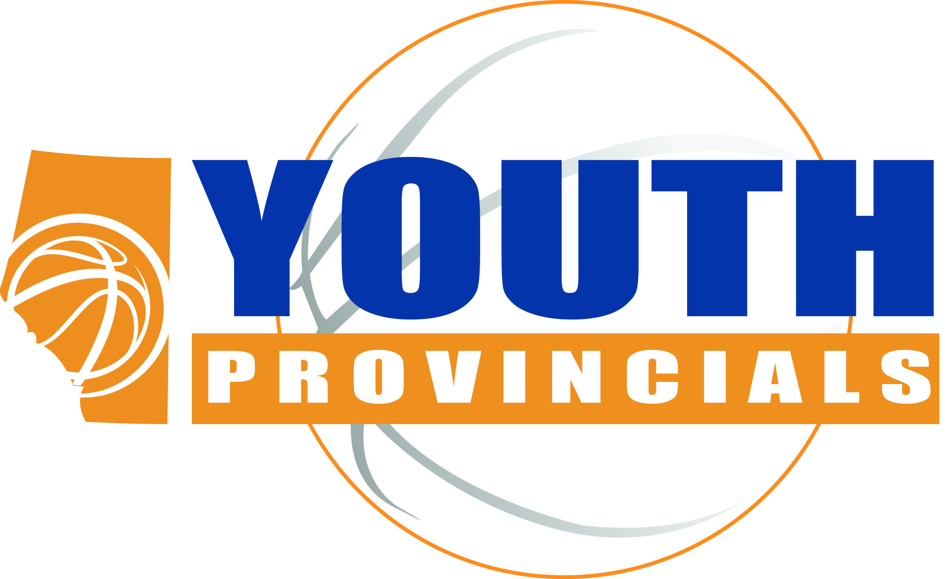
 | Alberta Basketball 2018 Youth
 | Provincial Declaration Information

Name of Zone /Community/ Team/ Organization:
Main Contact Name:
Contact Address:
Contact Daytime Phone #:
Contact email address:

Available Categories: | Number of Teams Declared: | Cost Per Team FOR BA MEMBERS: | Cost Per Team FOR NON BA MEMBERS: | Total

Mini Boys A |  | $450.00 | $575.00
Mini Boys B |  | $450.00 | $575.00
Mini Boys C/D |  | $450.00 | $575.00

Mini Girls A |  | $450.00 | $575.00
Mini Girls B |  | $450.00 | $575.00
Mini Girls C/D |  | $450.00 | $575.00

Bantam Boys A |  | $450.00 | $575.00
Bantam Boys B |  | $450.00 | $575.00
Bantam Boys C/D |  | $450.00 | $575.00

Bantam Girls A |  | $450.00 | $575.00
Bantam Girls B |  | $450.00 | $575.00
Bantam Girls C/D |  | $450.00 | $575.00

Midget Boys A |  | $450.00 | $575.00
Midget Boys B |  | $450.00 | $575.00
Midget Boys C/D |  | $450.00 | $575.00

Midget Girls A |  | $450.00 | $575.00
Midget Girls B |  | $450.00 | $575.00
Midget Girls C/D |  | $450.00 | $575.00

Juvenile Boys A |  | $450.00 | $575.00

Juvenile Girls A |  | $450.00 | $575.00

 |  |  | TOTAL (5% GST will be automatically added): | $0.00

Notes:
● Provincial Declaration Deadline is Monday, February 26, 2018, at 4pm - Send your declaration forms to nhoy@basketballalberta.ca
● Team Roster Deadline is Thursday, March 1st, 2018 at 12 noon - Send your declaration forms to nhoy@basketballalberta.ca
● Please make cheques or money orders payable to "Alberta Basketball"
● Please contact Paul Sir if you have any questions: (780) 680-8542
or psir@basketballalberta.ca

