Calgary
Calgary U14AA Ringette Provincials
Event Dates: Feb. 23, 2023 to Feb. 26, 2023
Venue Information
Venue Name | Hotel Blackfoot | Delta Hotels
Venue Photo | 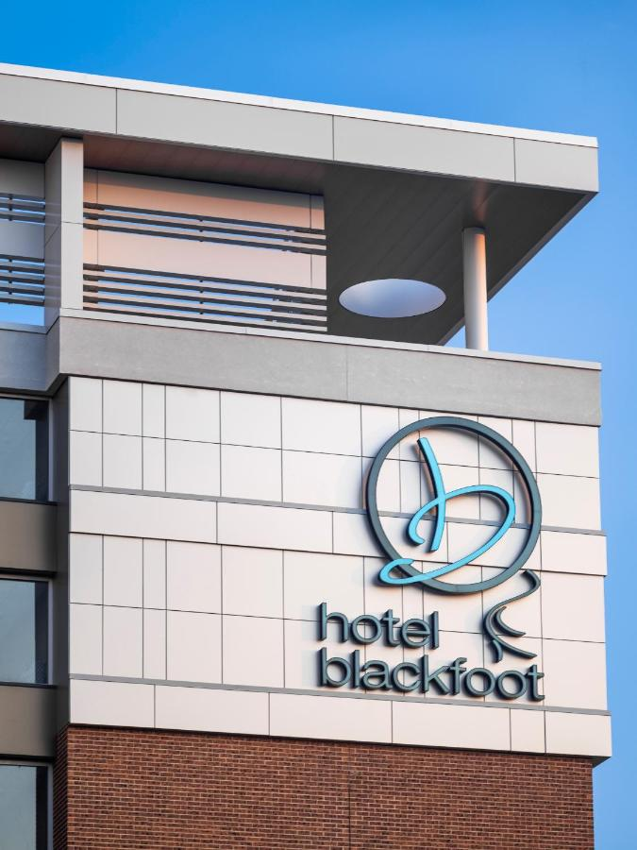 | 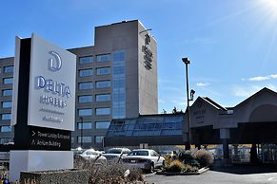
Venue Chain | Independent/Other | Marriott
Venue Brand | Hotel Blackfoot | Delta Hotels Calgary South
Venue Website | hotel blackfoot - Always here for you! | hotel delta
Venue Address | 5940 Blacfoot Trail SE Calgary Alberta T2H 2B5 Canada | 135 Southland Drive SE Calgary Alberta T2J 5X5 Canada
Venue Guest Rooms | 180 | 390
Venue Description | Everything you need is here for you at Hotel Blackfoot, including delicious food and beverages. Relax in your robe and order room service, or enjoy a succulent steak and drinks at one of our restaurants or lounges. When we redesigned our fitness centre we appointed it with the finest equipment available. Hotel Blackfoot’s exercise room features everything you need to maintain your fitness regimen including free weights, cardio equipment, yoga mats, resistance training, core training and more. From live jazz to the best comedians in Canada, Hotel Blackfoot offers a variety of top shelf entertainment options for our guests to enjoy. | Area information Distances are displayed to the nearest 0.1 mile and kilometer. Southcentre Mall - 1.7 km / 1 mi Southland Leisure Centre - 2.7 km / 1.7 mi Chinook Centre - 3.6 km / 2.2 mi Maple Ridge Golf Course - 4 km / 2.5 mi Rockyview General Hospital - 4.8 km / 3 mi Heritage Park Historical Village - 4.8 km / 3 mi Fish Creek Provincial Park - 6.4 km / 4 mi Stanley Park - 6.7 km / 4.1 mi Cash Casino - 7.4 km / 4.6 mi Shawnessy Shopping Centre - 7.7 km / 4.8 mi Deerfoot Casino - 7.8 km / 4.9 mi Elbow River Casino - 8.6 km / 5.4 mi Fourth Street - 8.7 km / 5.4 mi Stampede Park - 8.7 km / 5.4 mi Repsol Sport Centre - 8.9 km / 5.6 mi The preferred airport for Delta Hotels by Marriott Calgary South is Calgary International Airport (YYC) - 28.4 km / 17.7 mi Room information Make yourself at home in one of the 252 guestrooms featuring refrigerators and microwaves. Your pillowtop bed comes with premium bedding. 37-inch Smart televisions with digital programming provide entertainment, while complimentary wireless Internet access keeps you connected. Private bathrooms with shower/tub combinations feature designer toiletries and hair dryers. Hotel Facilities Dip into one of the 2 indoor swimming pools or 2 spa tubs and enjoy other recreational amenities, which include a waterslide. Additional features at this hotel include complimentary wireless Internet access, concierge services, and wedding services. Food and Beverage Enjoy American cuisine at Southland Yard , one of the hotel's 2 restaurants, or stay in and take advantage of the room service (during limited hours). Snacks are also available at the coffee shop/cafe. Cooked-to-order breakfasts are available daily from 6:30 AM to 11:00 AM for a fee. Important Information Extra-person charges may apply and vary depending on property policy Government-issued photo identification and a credit card may be required at check-in for incidental charges Special requests are subject to availability upon check-in and may incur addit
Key Contact Information

Guest Room Information
Guest Room Dates | Feb. 23, 2023 to Feb. 26, 2023 | Feb. 23, 2023 to Feb. 26, 2023
Guest Room Rates Include Breakfast | Yes/up to 4 per room | Yes
Guest Room - Queen/Queen (2 Beds) | 60/QQ | 120/QQ
Queen/Queen + sofabed
Guest Room - King |  | 10
Guest Room - Suite | Avaliable upon Request | Avaliable upon Request
TOTAL ROOMS AVAILABLE | 180 | 390
RATES - Queen/Queen (2 Beds) | $159.00/ + taxes | $159.00/ + taxes
RATES - Queen + sofabed (8 with Pullout)
RATES - Kiing Bed |  | $159.00/ + taxes
RATES - Suite
Rooming Lists | Provided by individual teams/Individual Pay | Provided by individual teams/Individual Pay
Cancellation Policy | Check with hotel upon booking | Check with hotel upon booking
Teams | 4 TEAMS | 8 TEAMS

