Drumheller
Calgary U16AA Ringette Provincials
Event Dates: Feb. 23, 2023 to Feb. 26, 2023
Venue Information
Venue Name | Quality Hotel Drumheller | SureStay Plus Hotel by Best Western Drumheller | Ramada by Wyndham Drumheller Hotel & Suites | Canalta Jurassic - Drumheller
Venue Photo |  | 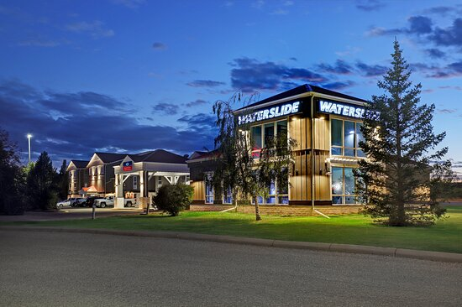
Venue Chain | Choice Hotels | BWH Hotel Group | Wyndham Hotels & Resorts | Independent / Other
Venue Brand | Quality Inn | SureStay Plus | Ramada | Other Affiliation
Venue Website | View website | View website | View website | View website
Venue Address | 100 6th Ave SE Drumheller Alberta T0J 0Y6 Canada | 600-680 2 Street SE Drumheller Alberta T0J 0Y0 Canada | 680 2nd Street Southeast Highway 9 at 2nd Street Drumheller Alberta T0J 0Y0 Canada | 1103 Highway 9 South P.O. Box 3009 Drumheller Alberta T0J 0Y0 Canada
Venue Guest Rooms | 270 | 150 | 144 | 96
Venue Description | The well-being of guests is top of mind at Choice-branded hotels. Guests may experience a variety of new, improved cleanliness protocols and products. The Quality Hotel Drumheller is located in the heart of the Canadian Badlands and is the perfect choice for any traveller visiting the dinosaur capital of the world. Our hotel is centrally located and offers guests breathtaking views of spectacular Canadian scenery. Attractions nearby include Reptile World, Homestead Antique Museum, New Castle Beach and the Green Tree Mall, to name a few. Enjoy hotel amenities like a business centre, free wireless high-speed Internet, an exercise room and more. Our hotel is a pet-friendly hotel where your four-legged friends are welcome to stay for an additional fee. Book your room online today. |  | Start your Alberta getaway at our Ramada Drumheller Hotel and Suites near Royal Tyrrell Museum. Located 77 miles north of Calgary, our Drumheller hotel offers a wide array of restaurants, nightlife and outdoor activity in the nearby Badlands. Stay active in our fitness center or slip down the waterslide into our large indoor pool. Soak in the hot tub before returning to your room equipped with dependable amenities like free Wi-Fi Internet access and the ultra-comfortable Canalta dream beds. Other amenities include a refrigerator, microwave and coffee makers for your morning perk. Join us each day of your stay for free continental breakfast. Non-smoking rooms and suites are available at our pet-friendly hotel in Drumheller. Climb the stairs inside the Largest Dinosaur in the World structure for a view of the Badlands from its open mouth or visit once-living creatures dating back to the Carboniferous Period at Royal Tyrrell Museum, not far from our Drumheller hotel. See descendants of those dinosaurs at Reptile World. | Welcome to the Canalta Jurassic! We are the perfect place to start or end your Drumheller adventure. Centrally located at the crossroads of quality and comfort, where you can expect to be treated like an executive and receive our royal treatment.
Key Contact Information

Guest Room Information
Guest Room Dates | Feb. 23, 2023 to Feb. 26, 2023 | Feb. 23, 2023 to Feb. 26, 2023 | Feb. 23, 2023 to Feb. 26, 2023 | Feb. 23, 2023 to Feb. 26, 2023
Guest Room Rates Include Breakfast | Yes | Yes | Yes | Yes
Guest Room - Queen/Queen (2 Beds) | 51 Q/Q | 37 | 34 | 17 + 10 with mainfloor with outdoor access
Queen/Queen + sofabed |  | 6 |  | 2 plus pullout
Guest Room - Queen or King (1 Bed) | 37 (8 with Pullout) | 7 with pullout | 14 with pullout | 3 with pullout
Guest Room - Suite | 2 Suites
TOTAL ROOMS AVAILABLE | 88 + 2 suites | 50 | 48 | 32
RATES - Queen/Queen (2 Beds) | $133.00 | $169.00 | $169.00 | $139.00 (mainfloor q/q @ $149.00)
RATES - Queen + sofabed (8 with Pullout) | $113.00 | $174.00 |  | $149.00
RATES - King Bed | $133.00 | $159.00 | $169.00 | $139.00
RATES - Suite | $175.00
Rooming Lists | Provided by individual teams/Individual Pay | Provided by individual teams/Individual Pay | Provided by individual teams/Individual Pay | Provided by individual teams/Individual Pay
Cancellation Policy | Januray 26, 2023 | 24 hrs piror to arrival | 24 hrs prior to arrival | 24 hrs prior to arrival
Teams | 4-5 TEAMS | 2.5 TEAMS | 2.5 TEAMS | ONE TEAM
 |  | SHARE A PARKING LOT

