Ref Costs
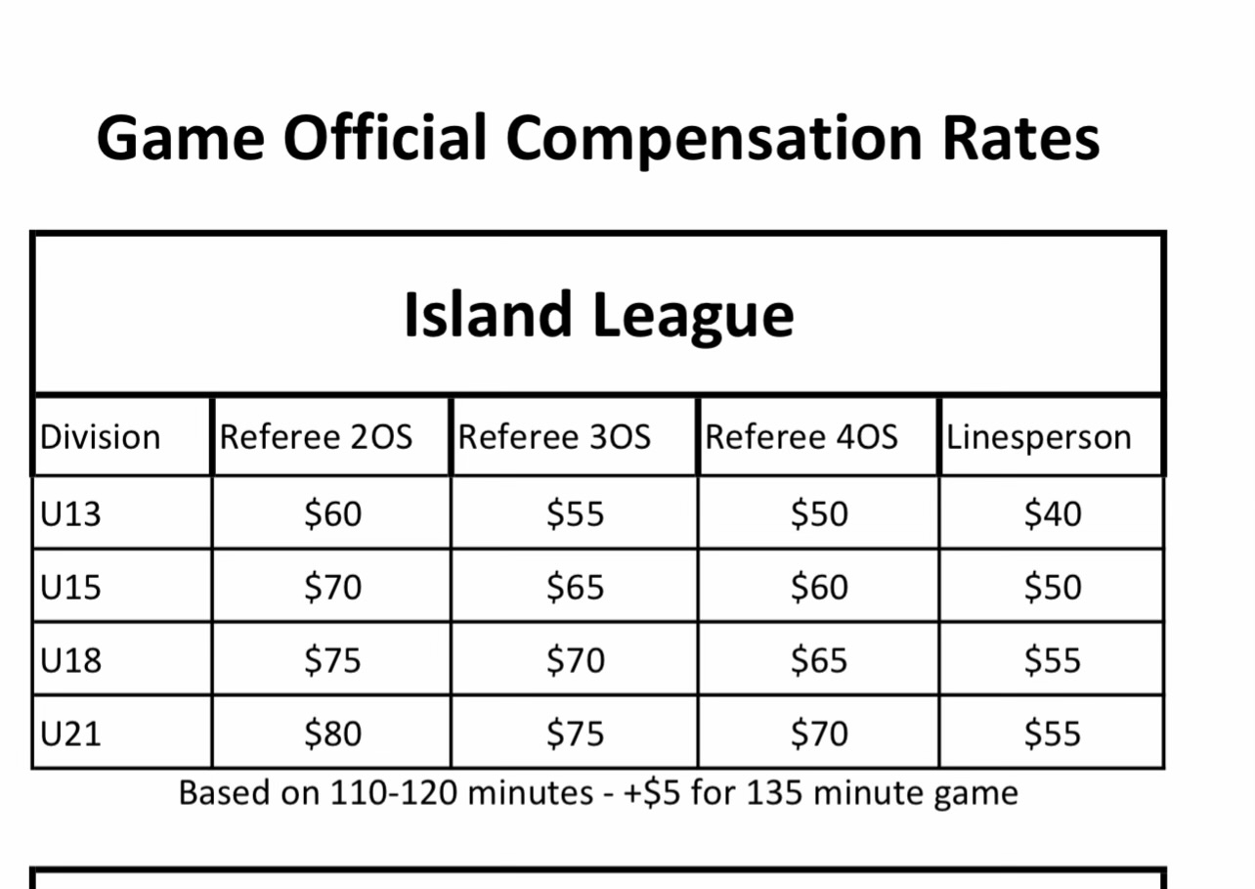
Date | # of Refs | Totals | Invoice # | Actual Paid | Date paid
 |  |  |  |  |  | Size | Categories
 |  |  |  |  |  | 11 KB

 | Total | 0 |  | 0

 | Budget
 | Diff | 0 |  | 0

