Bank transactions
This sheet is used for the download of all team bank account transactions.

How to retreive this list?
 | 1. Log into Island Savings Credit Union online banking for your team account.
 | https://login.islandsavings.ca/login
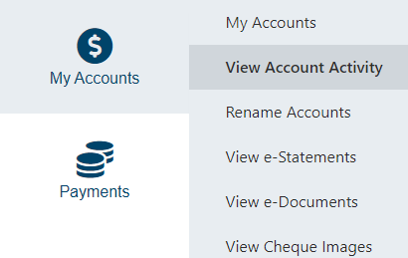
 | 2. Click on Account/View Account Activity

 | 3. Click on drown down boxes for each field from start of season to date when budget vs actuals are due
 | 4.Under Format choose Download to Comma Delimited Text/Excel
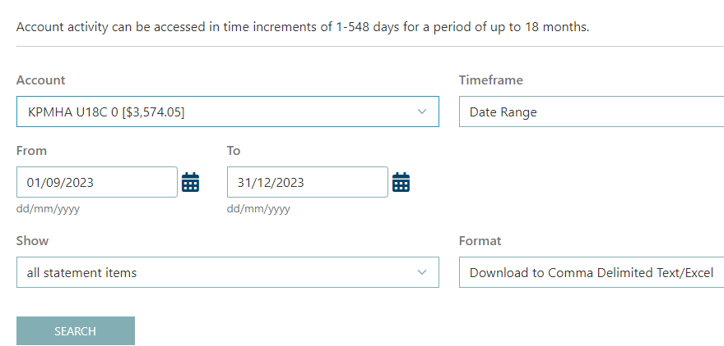

**If you just want a listing of deposits, then change the following field to say deposits.

 | 5. When this warning box appears click continue

 | 6. All team bank account transactions for dates you have inputted will appear in an excel sheet.
 | Copy that sheet into this workbook under Bank transactions.

Ref costs
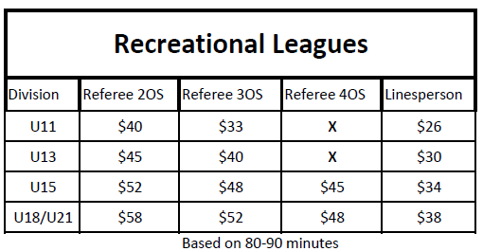
On Ice Official Costs to Team
Date | # of Refs | Totals | Invoice # | Actual Paid | Date paid | Game Time

Grand TOTAL |  | $0.00 |  | $0.00

Notes:
1.All KPMHA Rep teams (Island League)and U11 Development pay for the cost of their home game on ice Officials
(exhibition games, playoffs, league play, etc)
2. KPMHA covers the cost of on ice Officials for U11-U18 recreation teams upto a max of 14 games. Team is repsonsible for costs after that.
3.All tournament and Jamboree on ice Officials are covered under the teams tournament income and paid for by the team.
4. KPMHA covers the cost of on ice Officials for U8 and U9 teams upto a max of 10 games. Team is repsonsible for costs after that.

SEE CHARTS Below for breakdown of costs for on ice Officials

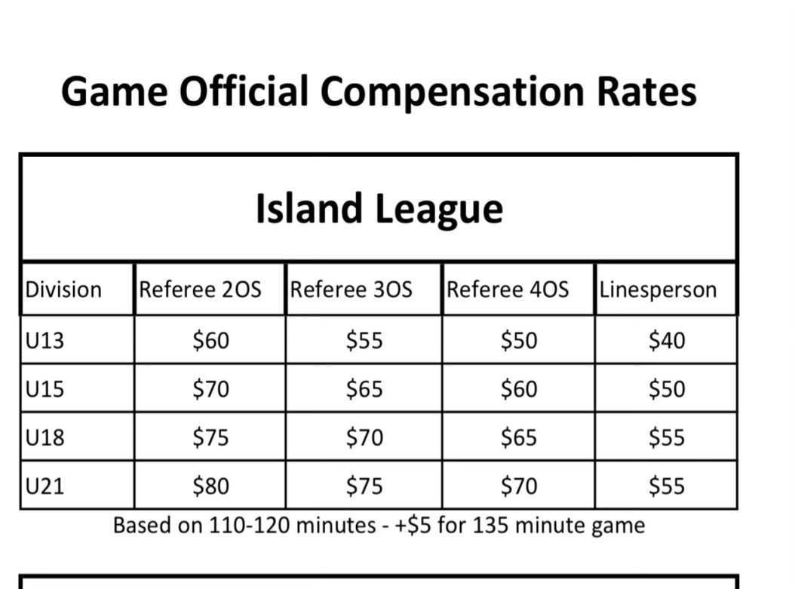
 |  |  |  |  | **U8/U9 games are $25 per On Ice Official

