OILERS
 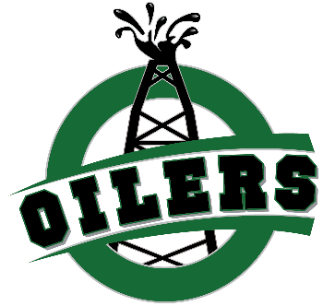
LADIES | COLOR | $CAD
Ladies Oilers Crop Tee | Black | $35.00
Ladies Oilers Muscle Tank | Black | $25.00
Ladies Oilers Relaxed Tee | Black | $35.00
Ladies Oilers Cropped Hoodie | Black | $65.00
Ladies Oilers Muscle Tank | Military Green | $25.00
Ladies Oilers Cropped Hoodie | Military Green | $65.00
Ladies Oilers Crop Tee | Military Green | $35.00
Oilers-Women's High-waist Legging | Black | $95.00

UNISEX
Unisex Oilers Joggers | Black | $70.00
Unisex Oilers Joggers | Forest | $70.00

MENS
Hollaback Hoodie | Black | $90.00
Soff Tee | Black | $50.00
Ollie Jogger | Black | $90.00
Supalyte Hoodie | black | $70.00
Bawla Jacket | Black | $150.00
Hollaback Hoodie | Grey | $80.00
Soff Tee | Grey | $50.00
Ollie Jogger | Grey | $90.00
Supalyte Hoodie | Grey | $70.00
Bawla Jacket | Grey | $150.00
Soff Tee | Black | $50.00
Hollaback Hoodie | White | $70.00

YOUTH
Youth Oilers Tank | Black | $30.00
Youth Oilers Fleece Pullover | Black | $55.00
Youth Oilers Fleece Pullover | Military Green | $55.00
Youth Oilers Short Sleeve Tee | Black | $25.00
Youth Oilers Short Sleeve Tee | Forest | $25.00
Youth Oilers Joggers | Black | $45.00
Youth Oilers Crewneck | Black | $50.00
Youth Oilers Pullover Hoodie | Black | $50.00

