2020-2021
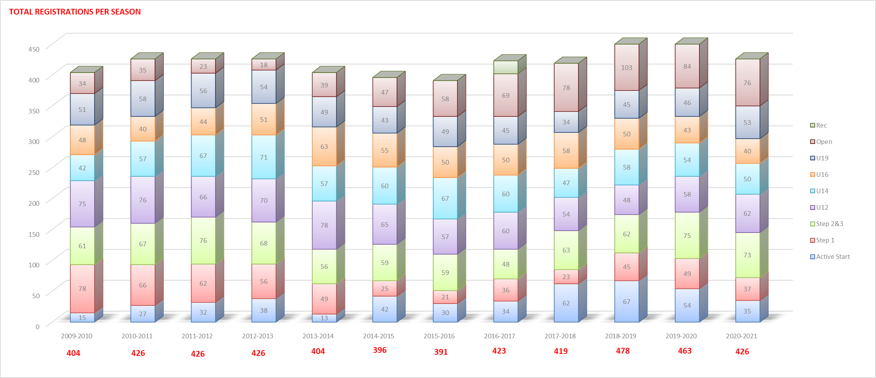
 |  | St Albert Ringette Annual General Meeting
 |  | Registrar Report (2020-2021 Season)
 |  | May 2021
SARA had a strong registration season in 2020-2021 despite the COVID-19 pandemic however we did see a decrease in registration numbers overall primarily in Active Start and Open. We saw a decrease in number of Active Start registrations this season with only 35 registrations which is similar to registration levels 4 seasons ago (as compared to 54 last season); as we were not able to accept additional registrations for the Winter session due to COVID restrictions creating uncertainty and then ultimately resulting in that session being cancelled altogether so we cannot assess if we would have received additional registrations for that session had it been able to proceed.
U10-U19 registrations decreased by 10 as compared to last season (2019-2020) but still was showing an increase in registration numbers as compared to the previous 5 years (2014-2019). This season SARA set a registration maximium for U10 of 120 but landed at 110 and formed 11 teams.
We did not see very many players transfer out of the association, potentially in part due to the lack of mobility that was allowed due to cohorting during evaluations.
2020-2021 SEASON
Players | Division
35 | Active Start
37 | U10 Step 1
73 | U10 Step 2&3
62 | U12
50 | U14
40 | U16
53 | U19
76 | Open

426

Sheet2
 | 2009-2010 | 2010-2011 | 2011-2012 | 2012-2013 | 2013-2014 | 2014-2015 | 2015-2016 | 2016-2017 | 2017-2018 | 2018-2019 | 2019-2020 | 2020-2021
Active Start | 15 | 27 | 32 | 38 | 13 | 42 | 30 | 34 | 62 | 67 | 54 | 35
Step 1 | 78 | 66 | 62 | 56 | 49 | 25 | 21 | 36 | 23 | 45 | 49 | 37
Step 2&3 | 61 | 67 | 76 | 68 | 56 | 59 | 59 | 48 | 63 | 62 | 75 | 73
U12 | 75 | 76 | 66 | 70 | 78 | 65 | 57 | 60 | 54 | 48 | 58 | 62
U14 | 42 | 57 | 67 | 71 | 57 | 60 | 67 | 60 | 47 | 58 | 54 | 50
U16 | 48 | 40 | 44 | 51 | 63 | 55 | 50 | 50 | 58 | 50 | 43 | 40
U19 | 51 | 58 | 56 | 54 | 49 | 43 | 49 | 45 | 34 | 45 | 46 | 53
Open | 34 | 35 | 23 | 18 | 39 | 47 | 58 | 69 | 78 | 103 | 84 | 76
Rec | 0 | 0 | 0 | 0 | 0 | 0 | 0 | 21 | 0 | 0 | 0 | 0
Total Registrations Per Season | 404 | 426 | 426 | 426 | 404 | 396 | 391 | 423 | 419 | 478 | 463 | 426

