Expense Report
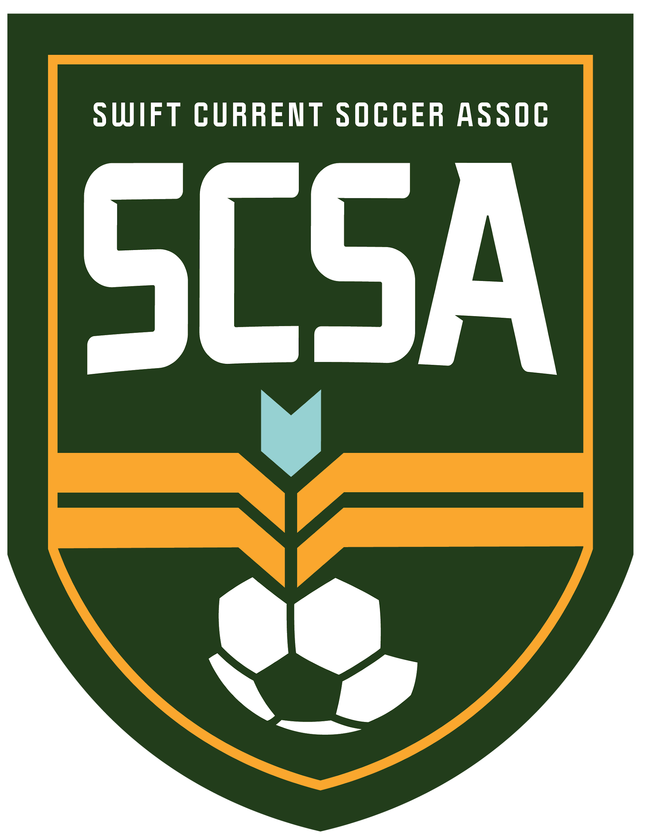
SCSA EXPENSE REIMBURSEMENT FORM

Name |  |  | Phone

Email |  |  | Date Submitted

Date | Description of Expense (ie: Days Inn hotel, one night) | Amount (enter max $150/night for hotel and max $15/meal) | Details (ie: the team you coached, the tournament name, the reason for the expense or travel, etc) | MILEAGE - Destination | KM | Amount | Mark an 'x':
 |  |  |  |  |  | $0.00 | Head Coach (non-parent)
 |  |  |  |  |  | $0.00 | Assistant Coach (18+)
 |  |  |  |  |  | $0.00 | Junior Coach (14+)
 |  |  |  |  |  | $0.00 | Board Member
 |  |  |  |  |  | $0.00 | Refereee
 |  |  |  |  |  | $0.00 | Manager
 |  |  |  |  |  | $0.00 | Technical Director
Total |  | $0.00 |  | Total Mileage | - | $0.00 | Other | X
** Email completed form and receipts to swiftcurrentsoccer@gmail.com |  |  |  | Total Reimbursement Due |  | $0.00

*Refer to the "Instruction tab" for submission deadlines |  |  |  | Per KM Reimbursement |  | $0.45

For SCSA use only:
Approved by: |  | Signature: |  |  | Meals: $15/meal or $45/max per day Hotels: Maximum $150/night
 |  |  |  |  | *Hotel receipts must be submitted
Payment method: |  | Amount:

Date Paid: |  | House/United or General

*Revised May 5, 2024

